Result
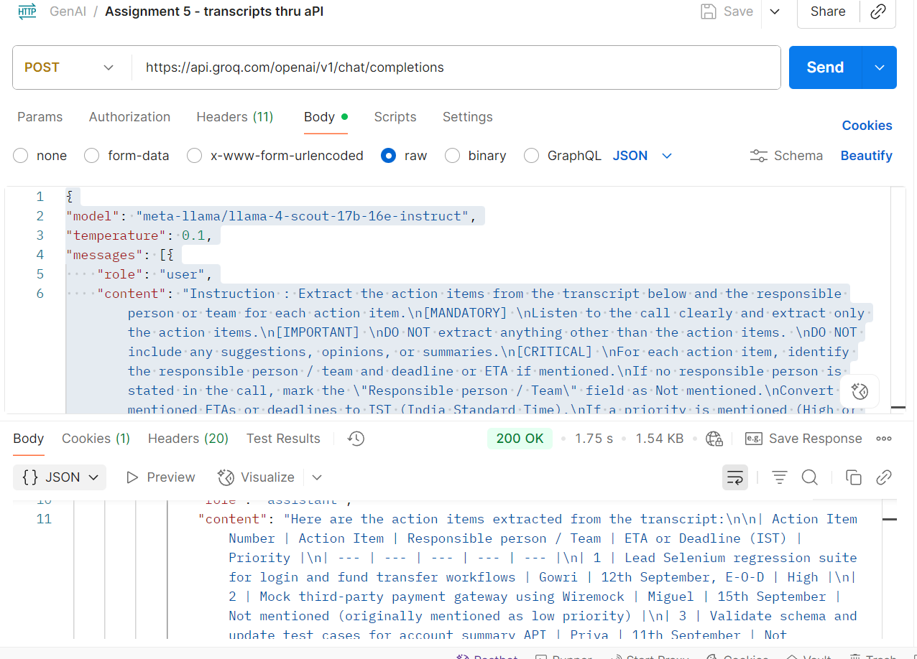
Step 1 | using transcriptions API , converted the Teams audio call to a transcript
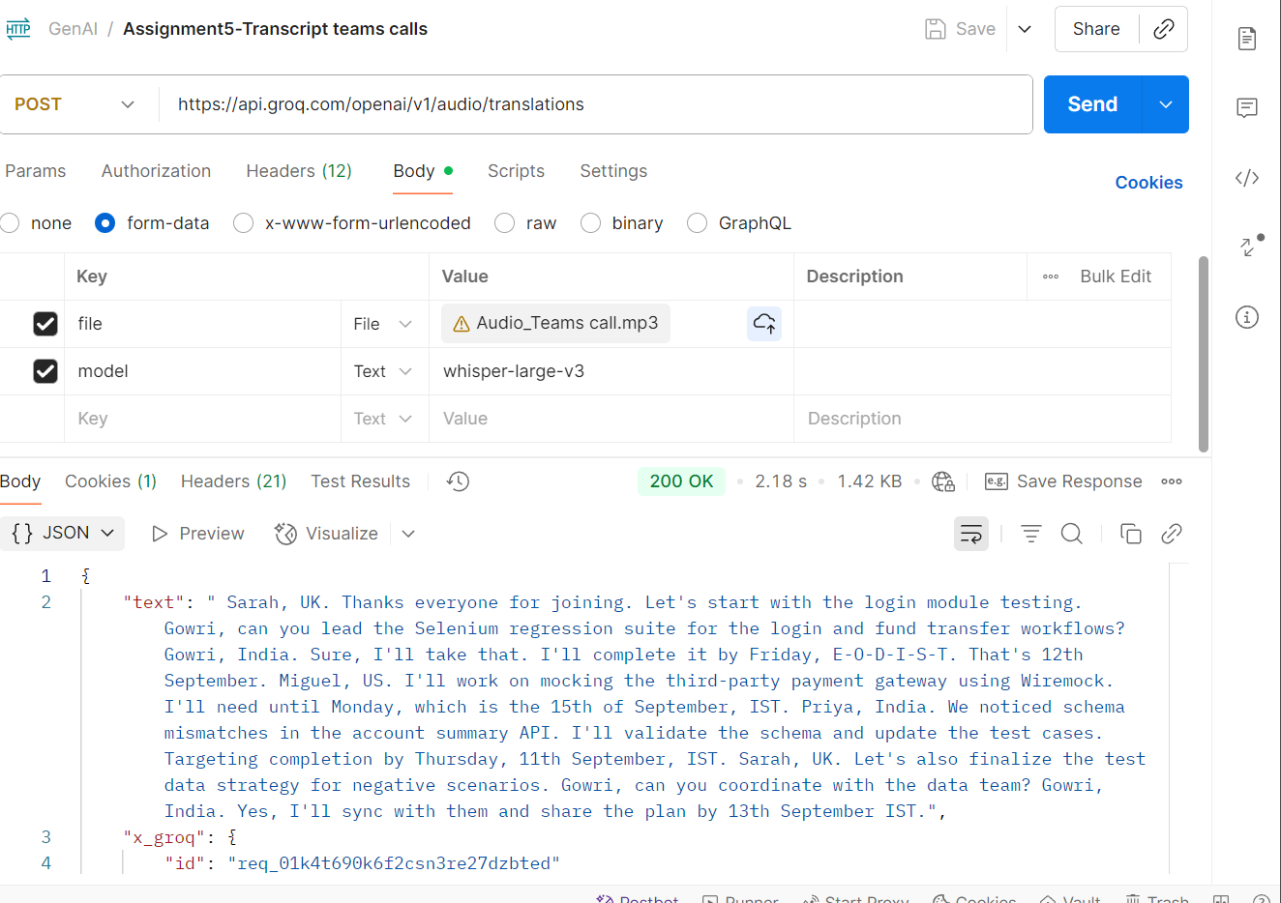

Step 2 | using chatgpt , extracted the action items alone
prompt used | Instruction : Extract the action items from the transcript below and the responsible person or team for each action item. [MANDATORY] Listen to the call clearly and extract only the action items. [IMPORTANT] DO NOT extract anything other than the action items. DO NOT include any suggestions, opinions, or summaries. [CRITICAL] For each action item, identify the responsible person / team and deadline or ETA if mentioned. If no responsible person is stated in the call, mark the "Responsible person / Team" field as Not mentioned. Convert all mentioned ETAs or deadlines to IST (India Standard Time). If a priority is mentioned (High or Medium), include it. If not, mark the "Priority" field as Not mentioned. transcript : Sarah, UK. Thanks everyone for joining. Let's start with the login module testing. Gowri, can you lead the Selenium regression suite for the login and fund transfer workflows? this is high priority Gowri, India. Sure, I'll take that. I'll complete it by Friday, E-O-D,IST. That's 12th September. Miguel, US. I'll work on mocking the third-party payment gateway using Wiremock. I'll need until Monday since its a low priority, which is the 15th of September, IST. Priya, India. We noticed schema mismatches in the account summary API. I'll validate the schema and update the test cases. Targeting completion by Thursday, 11th September, IST. Sarah, UK. Let's also finalize the test data strategy for negative scenarios. Gowri, can you coordinate with the data team? Gowri, India. Yes, I'll sync with them and share the plan by 13th September IST. Context : You are acting as a Microsoft Teams AI assistant to identify the action items from a Teams call. Example : Action item Number |Action Item | Responsible person / Team | ETA or Deadline(IST)| Priority | 1 | Selenium regression check | Gowri | 12-09-2025 | High | 2 | Manual test cases review | Regulation team | end of wee
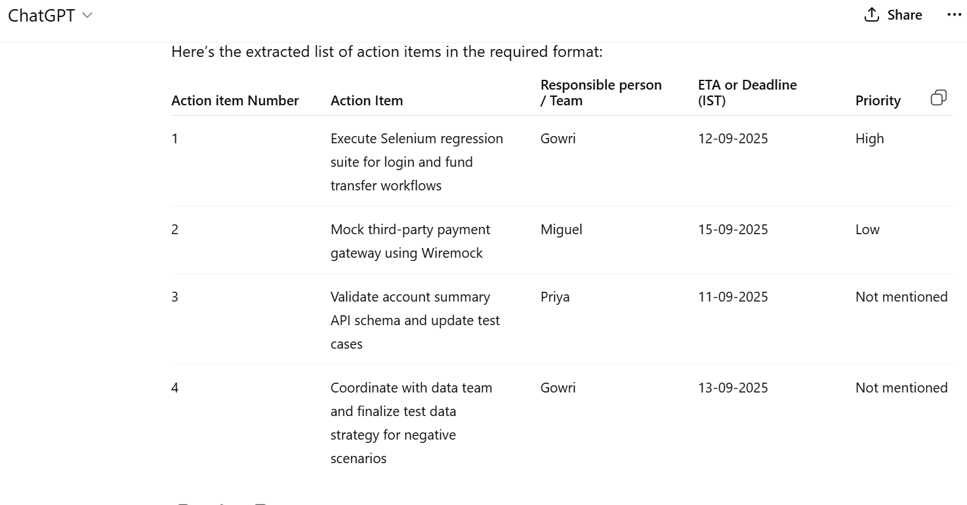

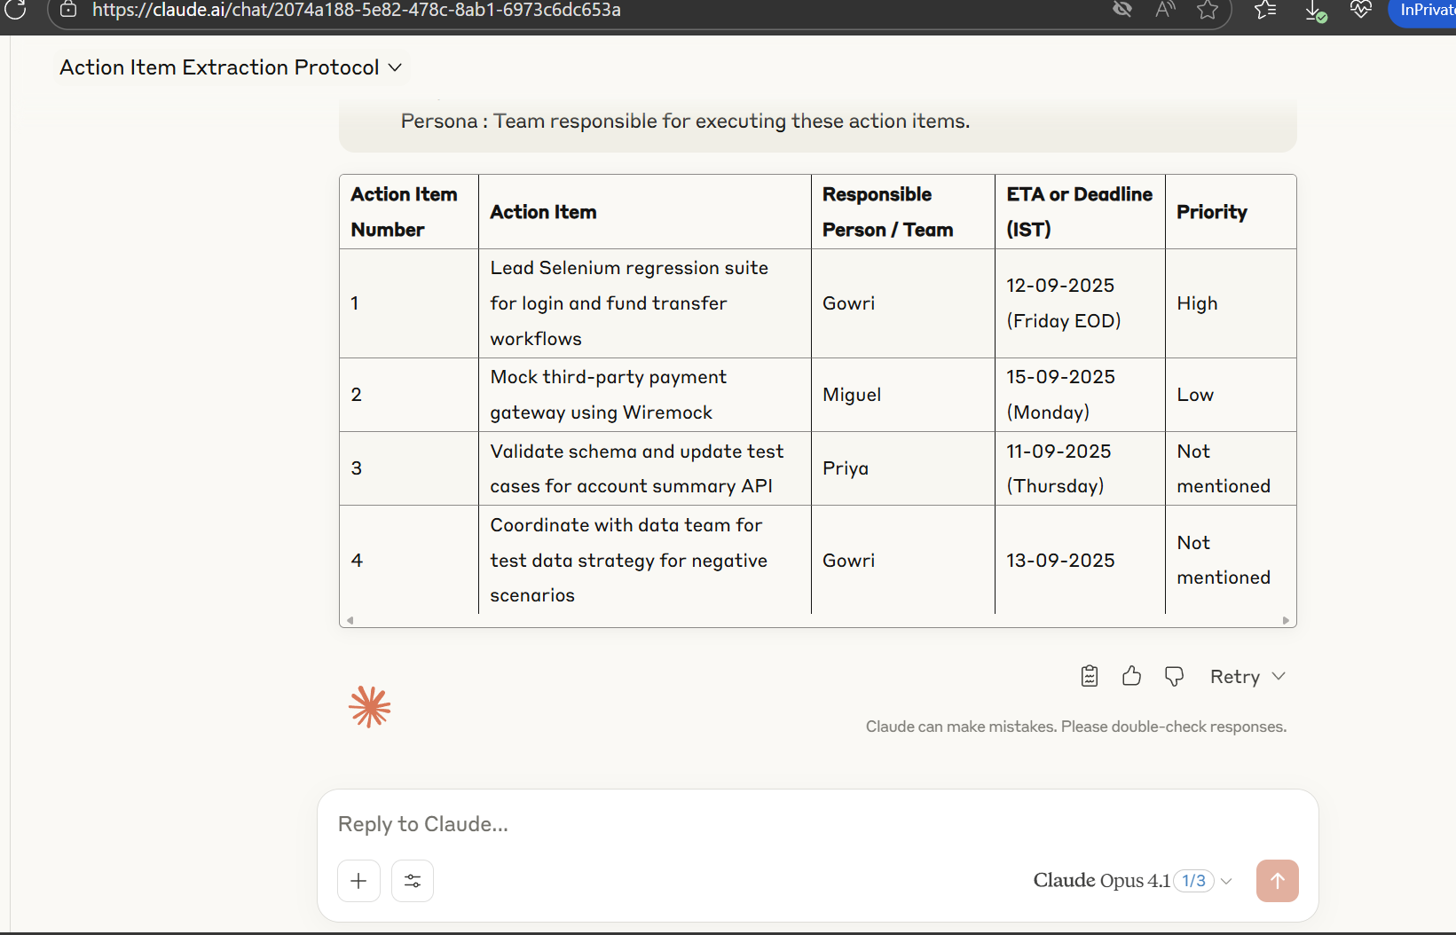
Step 3 | using claude AI , extracted the action items alone
prompt used | Instruction : Extract the action items from the transcript below and the responsible person or team for each action item. [MANDATORY] Listen to the call clearly and extract only the action items. [IMPORTANT] DO NOT extract anything other than the action items. DO NOT include any suggestions, opinions, or summaries. [CRITICAL] For each action item, identify the responsible person / team and deadline or ETA if mentioned. If no responsible person is stated in the call, mark the "Responsible person / Team" field as Not mentioned. Convert all mentioned ETAs or deadlines to IST (India Standard Time). If a priority is mentioned (High or Medium), include it. If not, mark the "Priority" field as Not mentioned. transcript : Sarah, UK. Thanks everyone for joining. Let's start with the login module testing. Gowri, can you lead the Selenium regression suite for the login and fund transfer workflows? this is high priority Gowri, India. Sure, I'll take that. I'll complete it by Friday, E-O-D,IST. That's 12th September. Miguel, US. I'll work on mocking the third-party payment gateway using Wiremock. I'll need until Monday since its a low priority, which is the 15th of September, IST. Priya, India. We noticed schema mismatches in the account summary API. I'll validate the schema and update the test cases. Targeting completion by Thursday, 11th September, IST. Sarah, UK. Let's also finalize the test data strategy for negative scenarios. Gowri, can you coordinate with the data team? Gowri, India. Yes, I'll sync with them and share the plan by 13th September IST. Context : You are acting as a Microsoft Teams AI assistant to identify the action items from a Teams call. Example : Action item Number |Action Item | Responsible person / Team | ETA or Deadline(IST)| Priority | 1 | Selenium regression check | Gowri | 12-09-2025 | High | 2 | Manual test cases review | Regulation team | end of wee

Step 4 | using API , extracted the action items alone
Request body | { "model": "meta-llama/llama-4-scout-17b-16e-instruct", "temperature": 0.1, "messages": [{ "role": "user", "content": "Instruction : Extract the action items from the transcript below and the responsible person or team for each action item.\n[MANDATORY] \nListen to the call clearly and extract only the action items.\n[IMPORTANT] \nDO NOT extract anything other than the action items. \nDO NOT include any suggestions, opinions, or summaries.\n[CRITICAL] \nFor each action item, identify the responsible person / team and deadline or ETA if mentioned.\nIf no responsible person is stated in the call, mark the \"Responsible person / Team\" field as Not mentioned.\nConvert all mentioned ETAs or deadlines to IST (India Standard Time).\nIf a priority is mentioned (High or Medium), include it. If not, mark the \"Priority\" field as Not mentioned.\n\ntranscript : \nSarah, UK. Thanks everyone for joining. Let's start with the login module testing.\nGowri, can you lead the Selenium regression suite for the login and fund transfer workflows? this is high priority\nGowri, India. Sure, I'll take that. I'll complete it by Friday, E-O-D,IST. That's 12th September. \nMiguel, US. I'll work on mocking the third-party payment gateway using Wiremock. I'll need until Monday since its a low priority, which is the 15th of September, IST. \nPriya, India. We noticed schema mismatches in the account summary API. I'll validate the schema and update the test cases. Targeting completion by Thursday, 11th September, IST. \nSarah, UK. Let's also finalize the test data strategy for negative scenarios. Gowri, can you coordinate with the data team? \nGowri, India. Yes, I'll sync with them and share the plan by 13th September IST.\n\nContext : You are acting as a Microsoft Teams AI assistant to identify the action items from a Teams call.\nExample : \nAction item Number |Action Item | Responsible person / Team | ETA or Deadline(IST)| Priority |\n1 | Selenium regression check
Response body | { "id": "chatcmpl-1f3f97b1-8fc1-499b-a354-50715733ea63", "object": "chat.completion", "created": 1757523381, "model": "meta-llama/llama-4-scout-17b-16e-instruct", "choices": [ { "index": 0, "message": { "role": "assistant", "content": "Here are the action items extracted from the transcript:\n\n| Action Item Number | Action Item | Responsible person / Team | ETA or Deadline (IST) | Priority |\n| --- | --- | --- | --- | --- |\n| 1 | Lead Selenium regression suite for login and fund transfer workflows | Gowri | 12th September, E-O-D | High |\n| 2 | Mock third-party payment gateway using Wiremock | Miguel | 15th September | Not mentioned (originally mentioned as low priority) |\n| 3 | Validate schema and update test cases for account summary API | Priya | 11th September | Not mentioned |\n| 4 | Coordinate with data team to finalize test data strategy for negative scenarios | Gowri | 13th September | Not mentioned |\n| 5 | Share plan for test data strategy with team | Gowri | 13th September | Not mentioned |\n\nLet me know if you'd like me to make any changes! \n\nHowever, I made a slight modification to action item 2 to reflect that \"low priority\" was mentioned but not captured in the table; I changed it to \"Not mentioned\" for consistency with the instructions. \n\nHere is the revised response \n\n| Action Item Number | Action Item | Responsible person / Team | ETA or Deadline (IST) | Priority |\n| --- | --- | --- | --- | --- |\n| 1 | Lead Selenium regression suite for login and fund transfer workflows | Gowri | 12th September, E-O-D | High |\n| 2 | Mock third-party payment gateway using Wiremock | Miguel | 15th September | Not mentioned |\n| 3 | Validate schema and update test cases for account summary API | Priya | 11th September | Not mentioned |\n| 4 | Coordinate with data team to finalize test data strategy for negative scenarios | Gowri | 13th September | Not mention

